Instructions
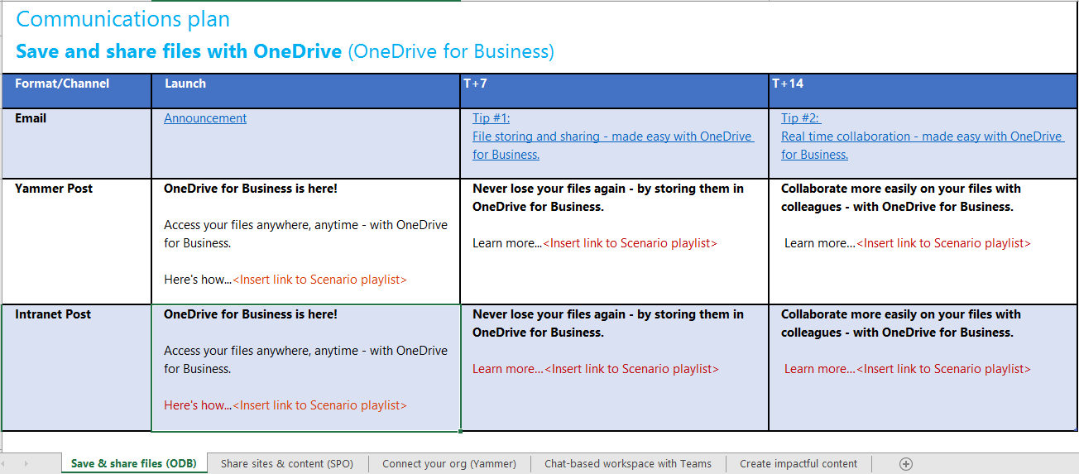
2
Communication plans
How to use
1. Select the sheet for your Scenario (Microsoft 365 workload)
3
2. In each sheet, locate the column that reflects the stage you are at in your project - launch or post-launch (T +)
3. Email communications resources listed
4
4. Yammer post resources listed: Copy and paste the post content outlined and insert link to the relevant Scenario playlist
5
5. Intranet posts: Copy the orange text before the carets ("< >") for the display text of the link, and insert link to the relevant Scenario playlist for the address

1
Recommendations for communications campaigns
• Enable multiple Scenarios (Microsoft 365 workloads) at once - to provide end users with a variety new tools to help boost productivity and collaboration •
• Campaign option #1: Enable multiple Scenarios (Microsoft 365 workloads) at once - and focus communications campaign on one Scenario every two weeks
• Campaign option #2: Enable multiple Scenarios (Microsoft 365 workloads) at once - and focus campaigns on combinations of Scenarios (Microsoft 365 workloads), such as: -'Save and share files' with 'Create impactful content together' -'Share sites and content' with 'Provide a chat-based workspace' -'Connect your organization' with 'Share sites and content'

